Template
I always (well, almost always) withdraw (sell securities) to get our after-tax spending amount into cash before the end of December.
(I could transfer securities from traditional IRA to taxable and then sell throughout the upcoming year, but I generally don't do that.)
This is consistent with the math and logic in FIRECalc used to find my Safe Spending Rate (SSR%). I also am happier with this, since I don't
have to sell during the year and be concerned about market ups and downs. I assume you follow the same practice.
 | Steps: this sheet assumes you will withdraw or sell your SSA at year end; your task to avoid taxes that you could otherwise avoid ever paying.
 | 1. Estimate SSA for upcoming year or the gross amount of securities you plan to sell in cell D31.
 | The next steps find the total tax you will pay this tax year.

 | 2. Estimate taxable income other than from sales of securities from my portfolio.
 | Use last year's tax return as a guide; e.g., adjust last year's gross SS for the 2.5% COLA in 2025.
 | 3. Decide where your SSA will come from: three sources must add to your total.
 | a. Withdrawals from Traditional IRAs = ordinary income at, let's assume, 22% marginal tax rate.
 | b. Sales of Taxable Securities = Long term capital gains = Maybe 7.5% effective tax rate on sales proceeds. (e.g., 15% of 50% gain)
 | c. Roth = not recorded income and no taxes (assumes you meet certain Roth withdrawal rules)

 | Added notes:
- | Donate to charity using QCD. You get the full tax benefit of your donation.
- | I withhold all taxes for the year when I take our RMD the first week of December. I'm getting interest-free loan from the IRS.
- | Your brokerage statement will give you the information to calculate the percentage of sales proceeds that are taxable.
- | I always sell "specific securities" when I sell from my taxable brokerage account to result in lowest taxable gain.
- | For almost all of us over age 65, the benefit of converting traditional to Roth has almost disappeared. We pay high effective tax on the conversion
 | amount, since we lose a portion of the Bonus Standard deduction. That loss adds roughly two percentage percentage points to the ordinary
 | rate: if we are in the 22% backet, our effective rate on the conversion amount is ~24%. You save more than 24% only if you use Roth in the
 | future to avoid a neary IRMAA tripwire.

 |  |  | This shorthand display of our tax return works for me.
 |  |  | You may need to adjust to make it work for you. Assumes no tax-exempt interest.
 | How much spending do I get after taxes from our SSA? |  | Estimate of 2025 Tax Return (Single filer) |  |  | Taxable: Income tax rate
 | Estimated SSA for upcoming year: total security sales |  | (Abbreviated tax return) |  |  | Ordinary Tax Rate | Qualifed for Cap Gains rate | Linear display, tax return
 | Fed tax W/H from distrib from IRAs in December | 0 |  |  | Gross
 | After-tax from portfolio for spending | 0 | Taxable Interest + Dividends |  |  |  |  | 0
 | Approx. total for spending after tax, net of QCD & base est for Mcare premiums est. at $200/mo. | 2,400 | Traditional IRA + Roth Distrib |  | 0 | 0 |  | 0
 |  |  | Conversion Traditional to Roth |  | 0 | 0
 |  |  | Other Pension income |  |  |  |  | 0
 |  |  | Social Security |  |  | 0 |  | 0
 | Where to I sell to get after tax amount for spending |  | Assumed percent gain on proceeds from security sales |  |  |  | 50%
 | 1 Traditional IRA (RMD if ≥ age 73 in 2026) |  | Est. ST & LT Capital Gains from Sales |  |  | 0 | 0 | 0
 | Less QCD (allowed if over age 70 1/2) |  | Other Ordinary Income |  |  |  |  | 0
 | Balance to be sold for spending in 2026 | 0 | Total Income |  |  | 0 | 0 | 0
 | 2. Sell securities in taxable account in Dec |  | Standard Deduction. Assumes your age > 65 |  |  | 23,750 |  | MAGI
 | 3. Sell securities and distribute from Roth account | 0 | QBI deduction = 20% of Sect 199A divs
 | Can delay and sell later in 2026 with no tax consequence |  | Taxable Income |  |  | -23,750 | 0 | -23,750
 |  |  | Tax. Calculation below or in cell. |  |  | 0 | 0
 | Restatement: Securities sold/withdrawn from . . . |  | NIIT if MAGI > $200,000 |  |  |  | 0
 | Traditional IRA | 0 | Total Fed Tax |  |  | 0
 | Investment account | 0
 | Roth | 0 | Calculation of taxable portion of SS (0% to 85%)
 | Total Security sales | 0 | 1/2 of gross SS benefit |  | 0
 |  |  | All other income |  | 0
 | Standard Deduction |  | "Combined Income" |  | 0 | Taxable Portion | Taxable amount
 | Base | 15,750 | Base deduction |  | 25,000 | 0% | 0
 | Over age 65 | 2,000 | Next increment up to $9,000 |  | 0 | 50% | 0
 | Bonus up to $6,000 - sliding scale | calculation | Balance |  | 0 | 85% | 0
 | Total for single filer | $17,750 + calc amount |  |  |  | Sum | 0
 |  | to max $23,750 |  |  |  | Taxable Portion up to 85% max | $0
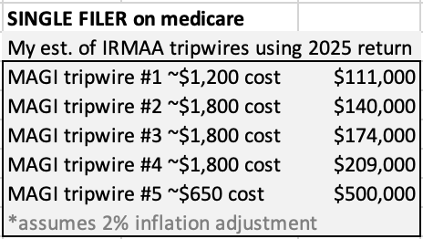
 |  |  |  |  |  | Percent taxed | #DIV/0!

 |  |  |  |  |  |  | Max Tax
 |  |  |  | Calculation of Federal Tax on Ordinary Income |  |  | in Bracket
 |  |  |  | Rate in bracket | Top of bracket | Tax
 |  |  |  | 10% | 11,925 | 0 | 1,193 | 1,193
 |  |  |  | 12% | 48,475 | 0 | 4,386 | 5,579
 |  |  |  | 22% | 103,350 | 0 | 12,073 | 17,651
 |  |  |  | 24% | 197,300 | 0 | 22,548 | 40,199
 |  |  |  | 32% | 250,525 | 0 | 17,032 | 57,231
 |  |  |  | 35% | 626,350 | 0 | 131,539 | 188,770
 |  |  |  | 37% |  | 0
Tom Canfield. Novemvber 2025. |  |  |  |  | Ordinary Tax | 0

Tripwires and tax tables
 | Your 2025 Tax Return

• | If you are over age 65, you don't want to convert traditional to Roth if you are in the 22% marginal tax bracket.
 | If you are in the 22% marginal tax bracket, you are taxed at 22% on added income, and you also lose a portion of the
 | $6,000 bonus Standard Deduction per taxpayer.
 | Married, joint filers in the 22% bracket on ordinary income are effectively taxed at 24.6% rate. See this blog post:
 | They would benefit from conversion only if they later avoid paying more than 24.6% rate; hard to justify.

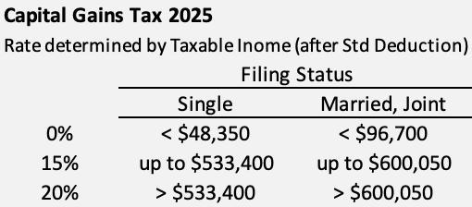
• | You pay 0% on capital gains income (qualified dividends and LT
 | capital gains from sales of securities) if taxable income is
 | less than a threshold. Taxable income is total income after
 | subtracting of standard or itemized deductions.

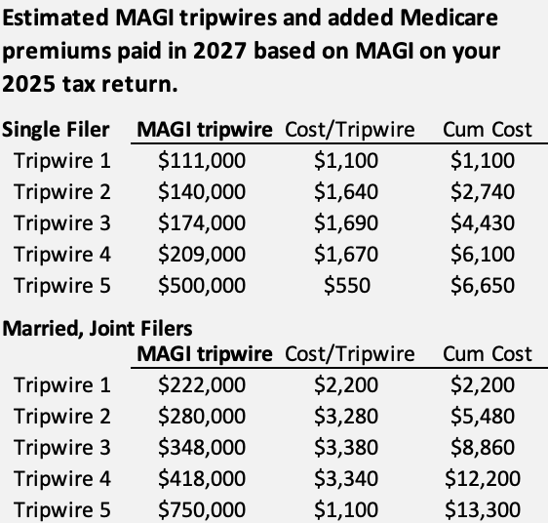
• | You want to avoid a nearby IRMAA tripwire if you can.
 |  | IRMAA = Income Related Medicare Adjustment Amount
 |  | You pay greater Medicare Premiums if your MAGI crosses a tripwire.

 |  | Medicare premiums you pay in calendar 2027 depend on MAGI
 |  | on your 2025 tax return. Those with higher income pay more than
 |  | the base amount that all pay.
 |  | Tripwires and costs issued in Oct or
 |  | Nov 2026 - applicable to premiums paid in 2027 – will look back
 |  | at MAGI on 2025 on your tax return that you filed earlier in 2026
 |  | to determine if you have crossed a tripwire.
 |  | Tripwires adjust for inflation. That's two adjustments from
 |  | tripwires last issued Nov 2024. I calculate the tripwires that will
 |  | be issued in Nov 2026 based on 2.5% inflation for 2025 and 2.0%
 |  | inflation in 2026: (We are on track for about 2.6% adjustment in
 |  | 2025.)

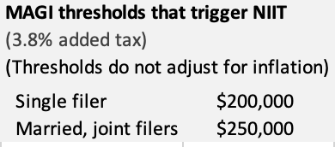
• | You would like to avoid Net Investment Income tax (NIIT). This
 | increases your effective tax rate by 3.8 percentage points on the
 | portion of investment income that is greater than a threshold
 | MAGI. If you are in the 22% marginal bracket for ordinary income,
 | you are paying, in effect, 25.8% rate on the ordinary income for the
 | amount calculated.

• | You might want to avoid oridnary income in a greater marginal
 | tax bracket.

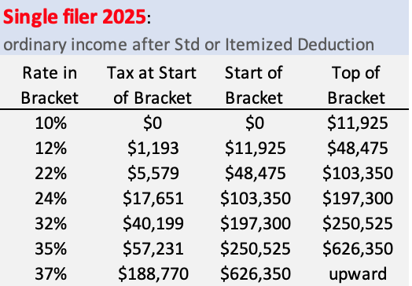
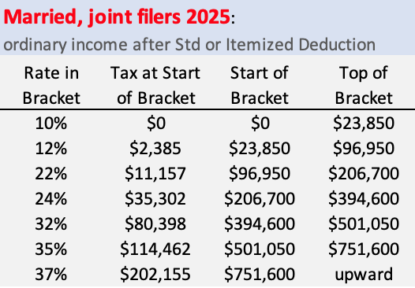
 |  |  | Estimated MAGI tripwires and added Medicare
 |  |  | premiums paid in 2027 based on MAGI on your
 |  |  | 2025 tax return.

 |  |  | Single Filer | MAGI tripwire | Cost/Tripwire | Cum Cost
 |  |  | Tripwire 1 | $111,000 | $1,100 | $1,100
 |  |  | Tripwire 2 | $140,000 | $1,640 | $2,740
 |  |  | Tripwire 3 | $174,000 | $1,690 | $4,430
 |  |  | Tripwire 4 | $209,000 | $1,670 | $6,100
 |  |  | Tripwire 5 | $500,000 | $550 | $6,650

 |  |  | Married, Joint Filers
 |  |  |  | MAGI tripwire | Cost/Tripwire | Cum Cost
 |  |  | Tripwire 1 | $222,000 | $2,200 | $2,200
 |  |  | Tripwire 2 | $280,000 | $3,280 | $5,480
 |  |  | Tripwire 3 | $348,000 | $3,380 | $8,860
 |  |  | Tripwire 4 | $418,000 | $3,340 | $12,200
 |  |  | Tripwire 5 | $750,000 | $1,100 | $13,300

 |  |  |  |  |  |  | MAGI thresholds that trigger NIIT
 |  |  |  |  |  |  | (3.8% added tax)
 |  |  |  |  |  |  | (Thresholds do not adjust for inflation)
 |  |  |  |  |  |  | Single filer | $200,000
 |  |  |  |  |  |  | Married, joint filers | $250,000

