Example
I always (well, almost always) withdraw (sell securities) to get our after-tax spending amount into cash before the end of December.
This is consistent with the math and logic in FIRECalc used to find my Safe Spending Rate (SSR%). I assume you follow the same process.
 | Steps.
 | 1. Estimate SSA (total securities I will sell – withdraw from our nest egg – for spending in upcoming calendar year. Enter in cell C24.
 | The next steps find the total tax I will pay this tax year.

 | 2. Estimate taxable income other than from distributions/withdrawals from my portfolio.
 | 3. Decide where our SSA will come from: three sources must add to the total shown.
 | a. Roth = no taxes
 | b. Sales of Taxable Securities = Long term capital gains = Maybe 6% effective tax rate.
 | (If gain is 40% of proceeds, then tax is 15% * 40% = 6% of proceeds.)
 | c. Withdrawals from Traditional IRAs = ordinary income at, let's assume, 22% marginal tax rate.
 | 4. Reflect my decisions as Ordinary Income and Capital Gains. The sum is total taxable income (AGI)
 | 5. Our MAGI = AGI. I likely can change my choice of where I sell to lower AGI to avoid a Medicare tripwire and a cost ~$2,000.
 | 6. Calculate Ordinary Tax from tax table and 15% Capital Gains Tax: this is our total Federal tax
 | 7. I subtract any quarterly taxes that I paid in the first three quarters in Cell F37. (I generally don't withhold during the year.)
 | 8. The balance of taxes due for 2022 is the total I will withhold when I take our withdrawals for our spending from our Traditional IRAs.

 |  |  | This shorthand display of our tax return works for me. You may
 |  |  | need to adjust to make it work for you.
 | What's our SSA for upcoming year and where does it come from? |  | Estimate Our Total Taxable Income and Taxes
 |  |  | (Abbreviated tax return) | Income
 | Estimated SSA for upcoming year: total security sales |  |  | Ordinary | Cap Gains |  |  | Ordinary Income | Capital Gains Income
 | Taxes W/H from distrib from IRAs in December | #VALUE! | Interest + Dividends | lines 2b+(3b-3a) | 3a |  | Taxable Social Security | 56
 | Net in cash by end of December for spending in 2024 | #VALUE! | IRA Distributions, less QCD | 4b |  |  | Other ordinary income | 25 |  | TTE = $20. Boeing = $5. PHC = $0.
 |  |  | Other Pension income | line 5b
 | Approx pay/mo = 1/12th |  | Social Security | line 6b |  |  | Dividends + Interest | 4 | 7
 |  |  | Other Ordinary Income | line 8 |  |  | Kenmar
 |  | Gross | Est. LT Capital Gains from Sales |  | 0 |  | LT Capital Gains
 | Where will I sell to get our SSA? | Sales Proceeds | Trad IRA Distributions, net of QCD | 0 |  |  | Subtotal | 85 | 7
 | 1. Sell and distribute from Roth account |  | Total Income | #VALUE! | #VALUE!
 | 2. Sell securities in taxable account |  | Sum = AGI, generally = MAGI | #VALUE! |  | -
 | 3 Sell and distribute from Traditional IRAs accounts, the amount greater than QCD* |  | Standard Deduction (see below) |  |  |  | Gross Taken to date from Retire Accounts after QCD
 |  |  | Taxable Income | #VALUE!
 | Total | 0 | Tax. See Tax Table** | #VALUE! | #VALUE! |  | TNC RMD less QCD | 80 |  | Distributions of shares, not cash
 | * QCD and taxable distribution must ≥ RMDs |  | Total Tax | #VALUE! |  |  | PHC RMD less QCD | 30 |  | Distributions of shares, not cash
 |  |  | Est. Tax Payments in 2023 (EFTPS) |  |  |  | Subtotal | 110
 | Medicare Tripwires |  | Tax to w/h with IRA withdrawal | #VALUE! |  |  | TNC Roth Conversion | E |  | Transfer of shares
MAGI on this tax return, filed in April '24, will be used to see if you cross tripwires that result in Medicare premuim surcharges in CY '25. The table of tripwires for CY '25 will be issued in Sept '24. That's two tables - generally two inflation increases – from this one below:
 |  |  | ** Formula in Cell F35 is for 22% marginal tax rate for joint payers.
 |  |  | I don't include state tax calculation. |  |  |  | Total Ordinary Income | #VALUE!
 |  |  |  |  |  |  | Total MAGI | #VALUE!
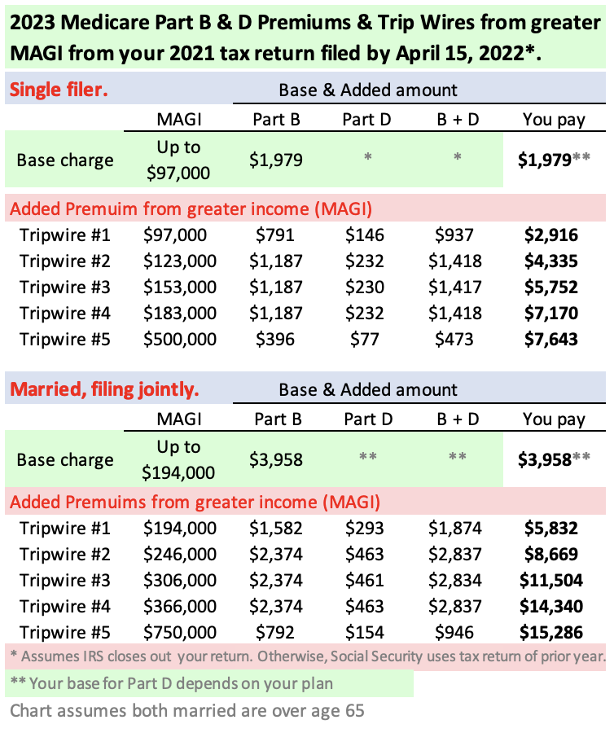
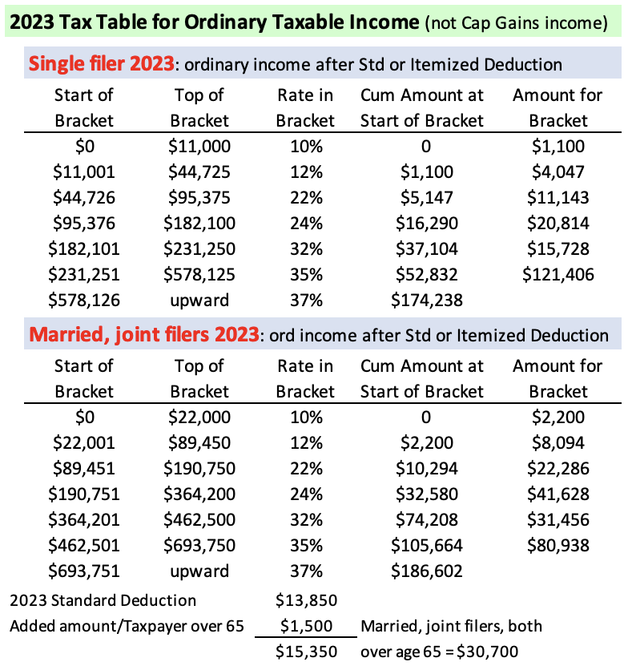
 |  |  |  |  |  |  | Donated as shares to date | 338
 |  |  |  |  |  |  | Carry over from prior year | 75
 |  |  |  |  |  |  | Total as shares now | 413
 |  |  |  |  |  |  | Memo: Allowable as Donations | #VALUE! | at 50% since I donated shares
 |  |  |  |  |  |  | Other Itemized Deductions | 20
 |  |  |  |  |  |  | Total Itemized Deductions | 433

 |  |  |  |  |  |  | Taxable Ordinary Income | #VALUE! | Before any added withdrawals for spending
 |  |  |  |  |  |  | Tax | #VALUE! | Note: start of 22% bracket = $80,250 Ordinary AGI

 |  |  |  |  |  |  | I have not withheld tax

 |  |  |  |  |  |  | Revised Taxable | #VALUE! | Note: start of 24% bracket = $171,050 Ordinary AGI
 |  |  |  |  |  |  | Tax | #VALUE! | Note: start of 32% bracket = $326,600 Ordinary AGI

Tom Canfield. August 2023.

