Sheet1
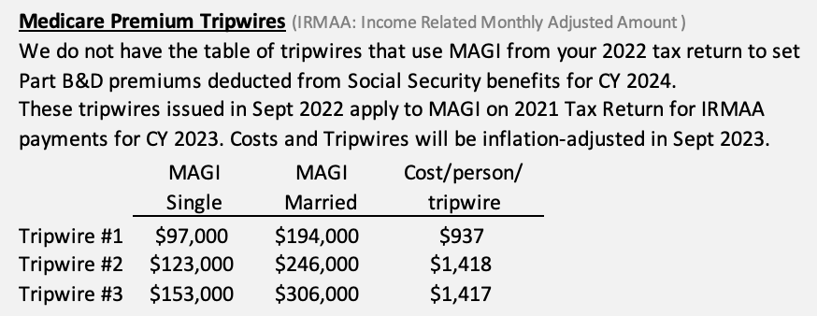
Quick Estimate of my 2022 Tax Return
 |  | Gross | Taxable Total | Taxed at Ordinary Rates | Taxed at Cap Gains Rates ("Qualified")
 | Wages (W-2), Salaries, etc. |  | 0 | 0
 | Taxable Interest (Fidelity 1099-INT + int on chking) | 0 | 0 | 0
 | Tax Exempt Interest (Fid 1099-INT) | 0
 | Dividends (Fid 1099-DIV) | 0 | 0 | 0 | 0 | Enter Gross and Qualified
 | Memo: Section 199a Divs in above | 0 |  |  |  | 20% excluded from income in QBID calculation
 | IRA Distributions (Fidelity 1099-Rs) |  | 0 | 0 |  | Subtract QCD from Gross to get Taxable.
 | Pension Benefits (Other 1099-R) |  | 0 | 0
 | Social Security Benefits (SSA-1099s) |  | 0 | 0 |  | 85% is taxable for almost all.
 | Capital Gain (Loss) + Distribs (Fid 1099-DIV, B) |  | 0 |  | 0 | Assumes all Cap Gains are LT
 | Other Income (Sched 1)
 | Tax Refunds (1099-G) |  | 0 | 0 |  | Usually none.
 | Net Business income (Sched C) |  | 0 | 0 |  | 20% excluded from income in QBID calculation
 | Partnership/LLC Income (K-1s for Sched E) |  | 0 | 0 |  | 20% excluded from income in QBID calculation
 | Other, not reported elsewhere to IRS |  | 0 | 0
 | Adjustment (half self-employment tax) |  | 0 | 0
 |  | AGI | 0 | 0 | 0 | Add tax exempt interest to get MAGI: |  | 0
 | Standard or Schedule A Deduction |  |  |  |  | Std Deduction per taxpayer = $12,950 + $1,400 if over 65.
 | QBID deduction from income (Form 8995) |  | 0 | 0 |  | See below.
 | Taxable Income |  | 0 | 0 | 0 | Cap gains at 15% for all taxpayers in 22% tax bracket. See below.

 | Tax (I have the cell calculating for the 22% marginal tax bracket for M/J) |  |  | (8,766) | 0 | NIIT can add 3.8% tax on portion of Investment income
 | Self employment tax @ 15.3% of Schedule C |  |  | 0
 | Total tax |  |  | (8,766)

 | Taxes Estimated + W/H
 | Balance Due (Refund or Credit) |  |  | (8,766)

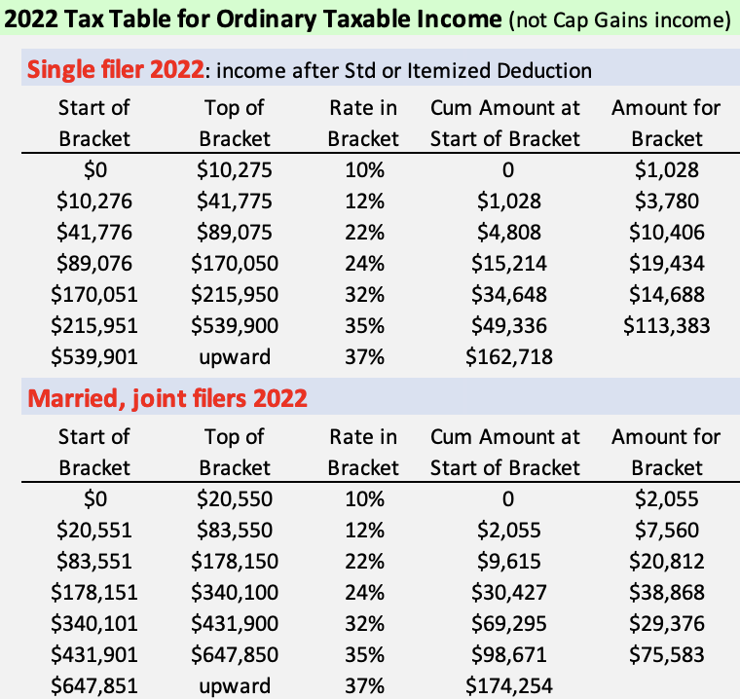
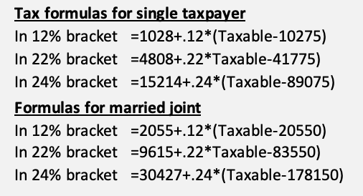
 |  |  |  |  |  |  | See supporting sheet for
 |  |  |  |  |  |  | Percentage of SS benefits that are taxed
 |  |  |  |  |  |  | Capital Gains Taxes
 |  |  |  |  |  |  | Net Investment Income Tax (NIIT)
 |  |  |  |  |  |  | Qualified Business Income Deduction (QBID)

