Sheet1
Calculation in December 2023: does your annual Safe Spending Amount (SSA) increase for 2024? |  |  |  | See blog
I'm suggesting with this sheet that your SSA calculation is based on your 12-month return four your portfolio is Dec 1 - Nov 30. |  |  |  | 2022-12-09
December 1, 2021 was a new start, in essence, of a new financial plan for all retirees: all of us earned back more than we withdrew in December 2020 because of very good
12-month returns Dec 1, 2020 - Nov 30, 2021. Return for the year ending Nov 30, 2022 were not good: none of us can calculate to a real increase in our SSA.
We add columns to this table until we calculate to a greater real SSA. This table has the added column for next year's calculation.
This table assumes $1M starting Investment Portfolio. Your Multiplier is your Investment Portfolio relative to $1M.
The assumption is that you spend or gift ALL your SSA in the year, and no more. You don't throw any unused SSA "back in to the pot" at the end of the year.
You enter your enter your age-appropriate SSR% in cells C14 and D14. See Chapter 2 NEC and Appendix D and blog post of December 4, 2020. The SSR%s shown are for Patti and me. We're older!
You also enter your Multiplier in cell C21. This does not change until you start a "new plan." I picked .8 as the Multiplier for this example. Use your total $Investment Portfolio/$1M to get your multiplier.
The basic logic for the recalculation of your Safe Spending Amount (SSA).
See Chapter 9, Nest Egg Care for more detail.
1) You always calculate to a greater real SSA (increase in spending power) when you earn back more in the year in real spending power than you withdrew last year (or over several years). You have More-Than-Enough to support your current spending rate.
2) You are aided in your calculation because the Safe Spending Rate (SSR%) that you use for the calculation tends to increase each year. That means you do not always have earn back more than you withdrew to calculate to a greater real SSA.
Your SSR% will increase as you get older: your life expectancy declines, and your plan logically should be based on fewer years of ZERO CHANCE of depleting your portfolio. (Your SSR% does not increase every year because of rounding: your life expectancy doesn't decline by one full year for each year that you live.)
In the upcoming year that I display for Patti and me, we have to earn back a lot to be able to calculate to a real increase in portfolio value: the returns for this recent 12-month period were that bad. I calculate we need a real portfolio return of >23% to calculate to an SSA greater than $50,500 in our original spending power.
$$ are in constant dollars – in the same real spending power – unless otherwise noted.
 | New Start for 2022 | New Start for 2023? | New Start for 2024?
Year-end date for 12-month returns | 2021-11-30 | 2022-11-30 | 2023-11-30
Spending year | 2022 | 2023 | 2024
Invest Portfolio on Nov 30 before Withdrawal in constant dollars | 1,000,000 | 774,700 | 774,700
Age appropriate SSR% to use or test* | 5.05% | 5.05% | 5.30%
This amount is in the same spending power as the first year. If the amount in this cell is more than in the first cell, you have calculated to this greater, real SSA. You know that you can start next year with a new spreadsheet with your revised Multiplier.
If the amount is the same, you did not calculate to a real increase. You have to extend the table another year or years until you (ideally) calculate to a new, greater SSA in real spending power.
SSA per initial $1 M; SSA calculated, rounded | 50,500 | 50,500 | 50,500
Memo: percent change |  | 0.0% | 0.0%
SSA in current-year dollars, rounded | 50,500 | 54,900 | 50,500
Memo: percent change |  | 8.7% | -8.0%
Invest Portfolio on Dec 1 after withdrawal, rounded in constant dollars | 949,500 | 774,700 | 724,200
Your Multiplier (I use .8 in this example) | 0.80 | 0.80 | 0.80
I assumed that I used my Reserve for our spending in 2023. I did not withdraw from our Investment Portfolio. Therefore my start for December 1 is the same as on Nov 30. I have no Reserve now.
Pre-tax SSA for upcoming year in current-year dollars using your multiplier. Rounded to nearest $100. | 40,400 | 43,900

* See Appendix D, NEC. I use Patti's Life Expectancy for years that
I now get using the Social Security Life Expectancy calculator.

I enter inflation (Social Security COLA) issued early October.
I get the 12-month returns for each security we own from Morningstar.com on Dec 1.
Note: I find it clearer and more accurate to track the total change in our Investment Portfolio by using the return rates for our four securities. I prefer this method rather than tracking total dollar change in our accounts from November 30 statements.
I have rebalanced our four securities to the proper percentages immediately after November 30. My method rebalancing immediately after November 30 means my use of time-weighted returns is an accuate way to calculate the total change in portfolio value.
Data Entry for calculation of real portfolio return
Inflation in Year |  | 8.7%
Nominal Returns in Year
 | FSKAX | -11.23%
 | VXUS | -11.18%
 | IUSB | -12.06%
 | BNDX | -10.96%
Weighted Real Return for my weights/mix
You can change the math (e.g, 59.5% for US Total Stock Market fund) in these cells for your weights/mix. Also, you may own different securities than we do.
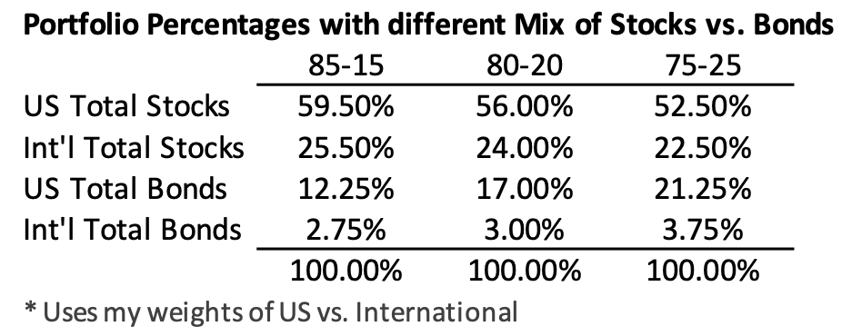
See Chapter 11, NEC for my choice of weights and mix.
 | FSKAX (59.5%) | -10.91% | 0.00%
 | VXUS (25.5%) | -4.66% | 0.00%
 | IUSB (12.25%) | -2.34% | 0.00%
 | BNDX (2.75%) | -0.50% | 0.00%
 | Total | -18.41% | 0.00%
You can see the complete historical record of my SSA calculations in blog post for most recent first week of December.
See here.

