Example
I always withdraw (sell securities) to get our after-tax spending amount into cash before the end of December.
This is consistent with the math and logic in FIRECalc used to find my Safe Spending Rate (SSR%). I assume you follow the same process.
 | Steps.
 | 1. Estimate SSA (total securities I will sell – withdraw from our nest egg – for spending in upcoming calendar year. Enter in cell C24.
 | The next steps find the total tax I will pay this tax year. I pay almost all my taxes as withholding from distributions from our IRAs in December.

 | 2. Estimate taxable income other than from distributions/withdrawals from my portfolio.
 | 3. Decide where our SSA will come from: three sources
 | a. Roth = no taxes
 | b. Sales of Taxable Securities = Long term capital gains = Maybe 6% effective tax rate.
 | (If gain is 40% of proceeds, then tax is 15% * 40% = 6% of proceeds.)
 | c. Traditional IRAs = let's call that 22% marginal tax rate. Patti and I are both subject to RMD.
 | 4. Reflect my decisions as Ordinary Income and Capital Gains. The sum is total taxable income (AGI)
 | 5. Our MAGI = AGI. I likely can change my choice of where I sell to lower AGI to avoid a Medicare tripwire and a cost $2,000.
 | 6. Calculate Ordinary Tax from tax table and 15% Capital Gains Tax: this is our total Federal tax
 | 7. I subtract any quarterly taxes that I paid in the first three quarters. Enter taxes withheld in Cell F37.
 | 8. The balance of taxes due for 2022 is the total I will withhold when I take our withdrawals for our spending from our Traditional IRAs.

 |  |  |  | This shorthand display of our tax return works for me. You may
 |  |  |  | need to adjust to make it work for you.
 | What's our SSA for upcoming year and where does it come from? |  |  | Estimate Our Total Taxable Income and Taxes
 |  |  |  | (Abbreviated tax return) | Income
 | Estimated SSA for upcoming year: total security sales |  |  |  | Ordinary | Cap Gains |  |  | Ordinary Income | Capital Gains Income
 | Taxes W/H from distrib from IRAs in December | 0 |  | Social Security | line 6b |  |  | Taxable Social Security | 56
 | Net in cash by end of December for spending in 2022 | 0 |  | Interest + Dividends | lines 2b+(3b-3a) | 3a |  | Other ordinary income | 25 |  | TTE = $20. Boeing = $5. PHC = $0.
 | Approx pay/mo = 1/12th |  |  | Other Pension income | line 5b |  |  | Dividends + Interest | 4 | 7
 |  |  |  | Other Ordinary Income | line 8 |  |  | Kenmar
 |  | Gross |  | Est. LT Capital Gains from Sales |  | 0 |  | LT Capital Gains
 | Where will I get our SSA? | Sales Proceeds |  | Trad IRA Distributions, net of QCD | 0 |  |  | Subtotal | 85 | 7
 | 1. Sell and distribute from Roth account |  |  | Total Income | #VALUE! | #VALUE!
 | 2. Sell securities in taxable account |  |  | Memo: AGI = ~MAGI | #VALUE! |  | -
 | 3 Sell and distribute from Traditional IRAs accounts, the amount greater than QCD* |  |  | Standard Deduction* |  |  |  | Gross Taken to date from Retire Accounts after QCD
 |  |  |  | Taxable Income | #VALUE!
 | Total | 0 |  | Tax. See Tax Table** | #VALUE! | #VALUE! |  | TNC RMD less QCD | 80 |  | Distributions of shares, not cash
 |  |  |  | Total Tax | #VALUE! |  |  | PHC RMD less QCD | 30 |  | Distributions of shares, not cash
 | * Total distribution must ≥ RMDs |  |  | Est. Tax Payments in 2021 (EFTPS) |  |  |  | Subtotal | 110
 |  |  |  | Tax to w/h with IRA withdrawal | #VALUE! |  |  | TNC Roth Conversion | E |  | Transfer of shares

 |  |  |  | * Std Deduction per person age > 65 = $14,350 for 2022.
 |  |  |  | ** Formula in Cell F34 is for 22% marginal tax rate for joint payers. |  |  |  | Total Ordinary Income | #VALUE!
 |  |  |  | I don't include state tax calculation. |  |  |  | Total MAGI | #VALUE!
 |  |  | Note: these tables were issued September 2022 and use MAGI from my 2021
 | Tables are from blog post Feb 4, 2022 |  | tax return filed last April to determine Medicare Premiums in calendar 2023. |  |  |  |  | Donated as shares to date | 338
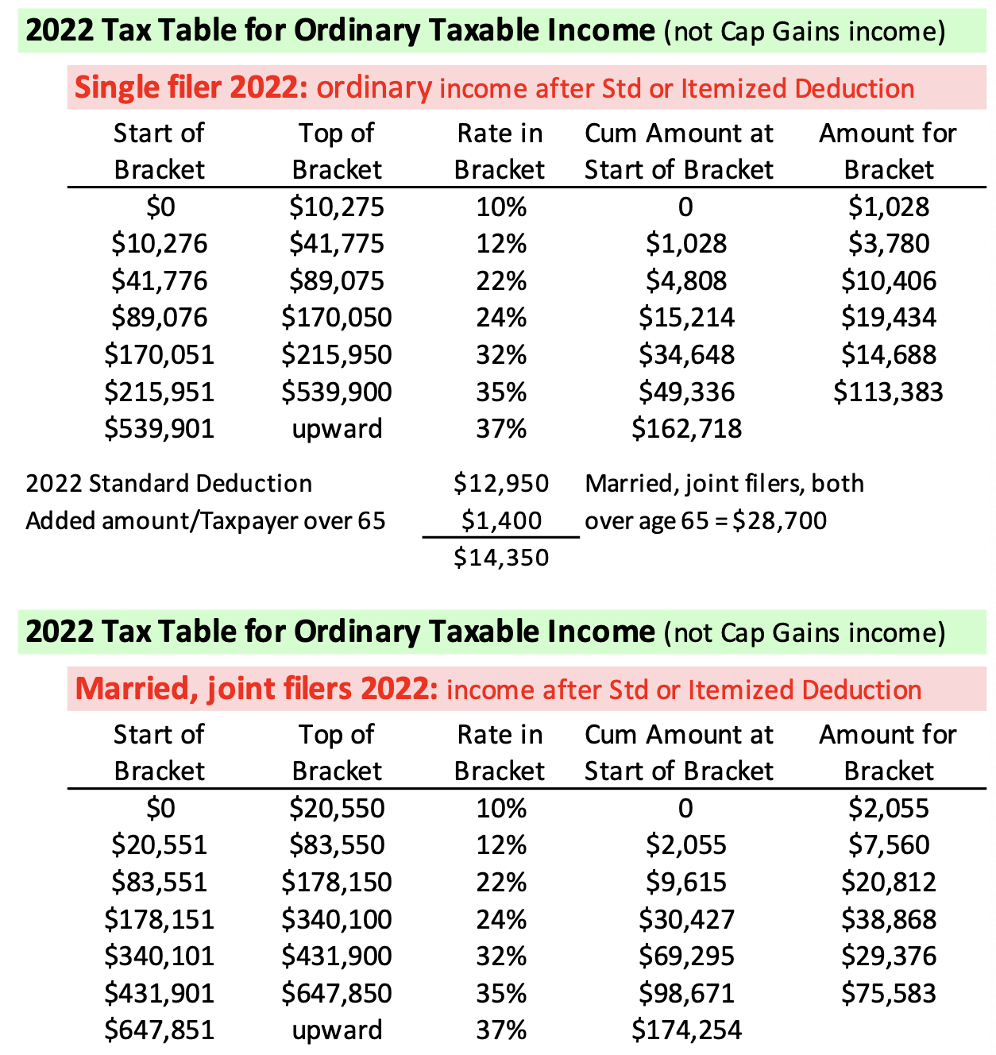
 |  |  | I want to avoid the Tripwires issued next year that use MAGI from this |  |  |  |  | Carry over from prior year | 75
 |  |  | 2022 tax return. I'm guessing tripwires will adjust 4% for inflation. |  |  |  |  | Total as shares now | 413
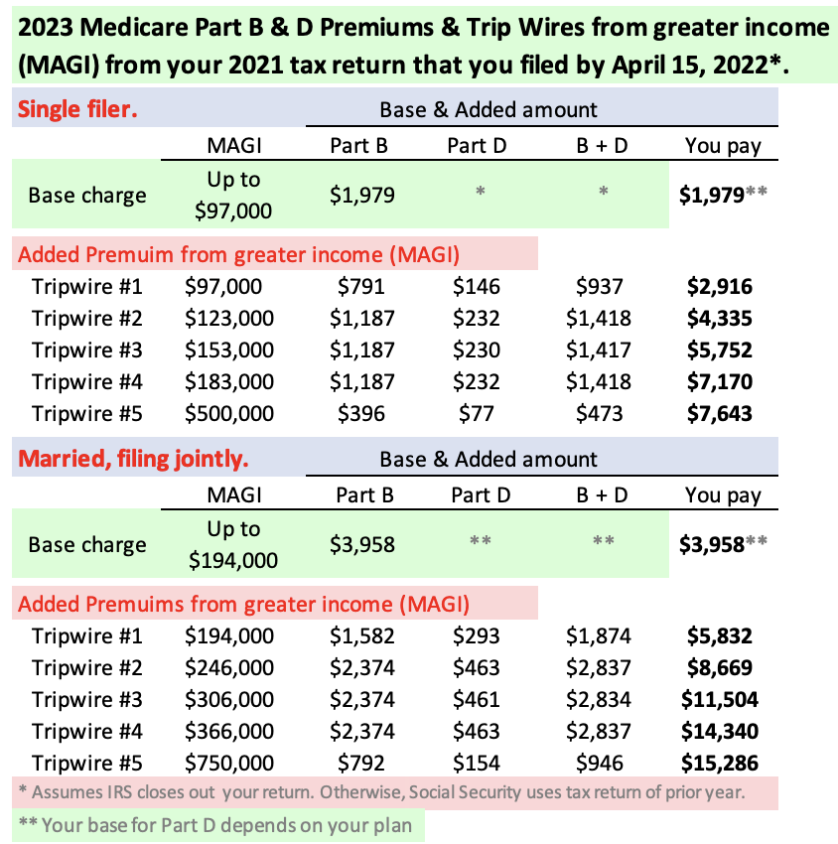
 |  |  |  |  |  |  |  | Memo: Allowable as Donations | #VALUE! | at 50% since I donated shares
 |  |  |  |  |  |  |  | Other Itemized Deductions | 20
 |  |  |  |  |  |  |  | Total Itemized Deductions | 433

 |  |  |  |  |  |  |  | Taxable Ordinary Income | #VALUE! | Before any added withdrawals for spending
 |  |  |  |  |  |  |  | Tax | #VALUE! | Note: start of 22% bracket = $80,250 Ordinary AGI

 |  |  |  |  |  |  |  | I have not withheld tax

 |  |  |  |  |  |  |  | Revised Taxable | #VALUE! | Note: start of 24% bracket = $171,050 Ordinary AGI
 |  |  |  |  |  |  |  | Tax | #VALUE! | Note: start of 32% bracket = $326,600 Ordinary AGI

Tom Canfield. October 2022.

