Sheet1
Calculation in December 2021: does your annual Safe Spending Amount (SSA) increase for 2022? This sheet assumes your 12-month return date is November 30 each year. |  |  | See blog
December 1, 2020 is a new start, in essence, for all retirees who use their portfolio return for 12-months ending November 30 as the basis for their upcoming SSA: |  |  | 2020-12-10
we all earned back more than we withdrew in December 2019 because of very good 12-month returns Dec 1, 2019 - Nov 30, 2020.
This table assumes $1 M starting Investment Portfolio (Total net of Reserve; See Chapter 1, Nest Egg Care). That assumption helps me to follow what's really happening.
Use your Multiplier (Chapters 1 and 7) to get your total, pre-tax Safe Spending Amount (SSA) to withdraw for the upcoming year.
The assumption is that you spend or gift ALL your SSA in the year, and no more. You don't throw any unused SSA "back in to the pot" at the end of the year.
The basic logic for the recalculation of your Safe Spending Amount (SSA).
See Chapter 9, Nest Egg Care for more detail.
1) You always calculate to a greater real SSA (increase in spending power) when you earn back more in the year in real spending power than you withdrew last year (or over several years). You have More-Than-Enough to support your current spending rate.
2) You are aided in your calculation because the Safe Spending Rate (SSR%) that you use for the calculation tends to increase each year. That's because you are older: your life expectancy declines, and your plan logically should be based on fewer years of ZERO CHANCE of depleting your portfolio. (Your SSR% does not increase every year because of rounding: your life expectancy doesn't decline by one full year for each year that your live.)
In the upcoming year that I display for Patti and me, we do not need to earn back all that we withdrew in December 2020 for spending in 2021 because our SSR% increases next year. We withdrew 4.85% this year. Our SSR% increases by about 4% (.20% increase/4.85%). We have to earn back less than 4.85% next year – about 1% real return will do it.
(Our SSR% will increase again the following year. Again, we will not have to earn back all that we withdraw to calculate to a greater, real SSA.)
Displayed in constant dollars – constant spending power – unless otherwise noted.

You enter the SSR% appropriate for you. These are mine. See Chapter 2 NEC and Appendix D and blog post of December 4, 2020.
 | New Start for 2021 | New Start for 2022?
Year-end date for 12-month returns | 2020-11-30 | 2021-11-30
Spending year | 2021 | 2022
If the amount in this cell is more than the prior, that is your new SSA in real spending power. You can start a new spreadsheet with your revised Multiplier.
If the amount is the same, you have to extend the table another year or years until you (ideally) calculate to a new, greater SSA in real spending power.
Invest Portfolio before withdrawal | 1,000,000 | 951,500
Age appropriate SSR% to use or test* | 4.85% | 5.05%
Initial SSA; SSA calculated | 48,500 | 48,500
Memo: SSA in current-year dollars | 48,500 | 48,500
Invest Portfolio after withdrawal | 951,500 | 903,000

Your Multiplier (I use .8 in this example) | 0.80 | 0.80
Current year, pre-tax SSA for upcoming year rounded to nearest $100 | 38,800 | 38,800

* See Appendix D, NEC. I use Patti's Life Expectancy for years that
I now get using the Social Security Life Expectancy calculator.

Note: I find it clearer and more accurate to track the total change in our Investment Portfolio by using the return rates for our four securities. I prefer this method rather than tracking total dollar change in our accounts from November 30 statements.
I have our four securities in the proper percentages immediately after November 30. My method means I'm using time-weighted returns for our portfolio.
I enter inflation (Social Security COLA). Issued early October.
I get the 12-month returns from Morningstar.com on Dec 1 for the four securities we own.
Data Entry for calculation of real portfolio return
Inflation in Year
Nominal Returns in Year
 | FSKAX
 | VXUS
 | IUSB
 | BNDX
Weighted Real Return for my weights/mix
You can change the math (e.g, 59.5%) in these cells for your weights/mix. You may own different securities than we do.
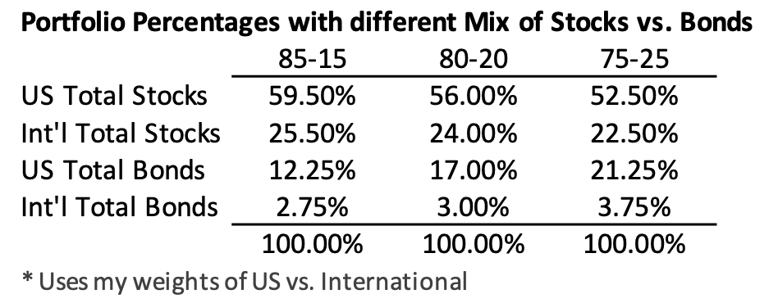
See Chapter 11, NEC for my choice of weights and mix.
 | FSKAX (59.5%) | 0.00%
 | VXUS (25.5%) | 0.00%
 | IUSB (12.25%) | 0.00%
 | BNDX (2.75%) | 0.00%
 | Total | 0.00%
You can see the complete historical record of my SSA calculations in blog post for most recent first week of December.
See here.

