Example
I always withdraw and get into cash before the end of December the amount I will spend (net of taxes) in the upcoming calendar year.
This is consistent with the math and logic in FIRECalc used to find my Safe Spending Rate (SSR%). I assume you follow the same process.
 | Steps.
 | 1. Estimate SSA for spending in upcoming year (next calendar year)
 | The next steps find the total tax I will pay this tax year. I'll make sure I've withheld my estimate total for this for the tax year.

 | 2. Estimate taxable income other than from distributions/withdrawals from my portfolio
 | 3. Decide where our SSA will come from: three sources
 | a. Roth = no taxes
 | b. Sales of Taxable Securities = Long term capital gains = Maybe 6% effective tax rate.
 | (If gain is 40% of proceeds, then tax is 15% * 40% = 6% of proceeds.)
 | c. Traditional IRAs = let's call that 22% marginal tax rate. Patti and I are both subject to RMD.
 | 4. Reflect my decisions as Ordinary Income and Capital Gains
 | 5. Calculate Ordinary Tax from tax table and 15% Capital Gains Tax: this is our total tax
 | 6. I subtract any quarterly taxes that I will have paid before Dec.
 | 7. The balance of taxes due for 2020 is the total I will withhold when I take our withdrawals from our Traditional IRAs.

 |  |  | This shorthand display of our tax return works for me. You may
 |  |  | need to adjust to make it work for you.
 | What's SSA for upcoming year and where does it come from? |  | Estimating Total Taxable Income and Taxes
 |  |  | (Abbreviated tax return) | Income
 | Estimated SSA for upcoming year. |  |  | Ordinary | Cap Gains |  |  | Ordinary Income | Capital Gains Income
 | * | 0 | Social Security | line 5b |  |  | Taxable Social Security | 56
 | Total Sales of securities needed for your SSA | 0 | Interest + Dividends | lines 2b+(3b-3a) | 3a |  | Other ordinary income | 25 |  | TTE = $20. Boeing = $5. PHC = $0.
 |  |  | Other Pension income | line 4d |  |  | Dividends + Interest | 4 | 7
 |  | Gross | Other Ordinary Income | line 7a |  |  | Kenmar
 | Where will I take it? | Sales Proceeds | Est. LT Capital Gains from Sales |  |  |  | LT Capital Gains
 | 1. Sell and distribute from Roth account |  | IRA Distributions | 0 |  |  | Subtotal | 85 | 7
 | 2. Sell securities in taxable account |  | Total Income | #VALUE! | #VALUE!
 | 3 Sell and distribute from Traditional IRAs accounts** |  | Memo: AGI = ~MAGI | #VALUE! |  | -
 |  | 0 | Standard Deduction* |  |  |  | Gross Taken to date from Retire Accounts after QCD
 | Total Tax I will withhold at my final | #VALUE! | Taxable Income | #VALUE!
 | withdrawal/distribution from our Traditional IRAs |  | Tax. See Tax Table** | #VALUE! | #VALUE! |  | TNC RMD less QCD | 80 |  | Distributions of shares, not cash
 | Net Cash at the end of Dec for our Spending*** | #VALUE! | Total Tax |  |  |  | PHC RMD less QCD | 30 |  | Distributions of shares, not cash
 |  |  | Est. Tax Payments in 2020 (EFTPS) |  |  |  | Subtotal | 110
 | * I assume I spend or gift all our 2020 SSA in 2020; |  | Tax to withhold with withdrawal | #VALUE! |  |  | TNC Roth Conversion | E |  | Transfer of shares
 | none is carried over for spending in 2021.
 | ** Must at least take RMD if applicable in all but 2020 |  | * Std Deduction per person age > 65 = $13,400 for 2020.
 | *** Including estimated 2021 taxes I may choose to pay quarterly |  | ** Example formula is for 22% marginal tax rate). |  |  |  | Total Ordinary Income | #VALUE!
 |  |  |  |  |  |  | Total MAGI | #VALUE!

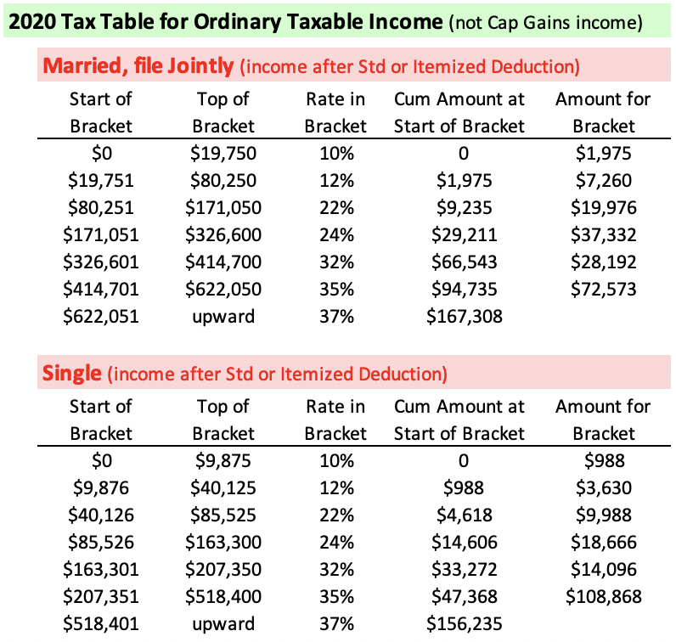
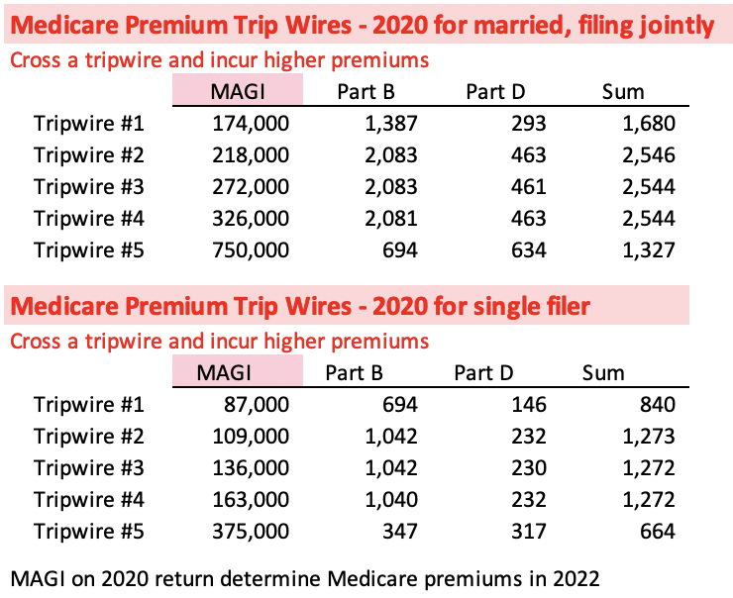
 |  |  |  |  |  |  | Donated as shares to date | 338
 |  |  |  |  |  |  | Carry over from prior year | 75
 |  |  |  |  |  |  | Total as shares now | 413
 |  |  |  |  |  |  | Memo: Allowable as Donations | #VALUE! | at 50% since I donated shares
 |  |  |  |  |  |  | Other Itemized Deductions | 20
 |  |  |  |  |  |  | Total Itemized Deductions | 433

 |  |  |  |  |  |  | Taxable Ordinary Income | #VALUE! | Before any added withdrawals for spending
 |  |  |  |  |  |  | Tax | #VALUE! | Note: start of 22% bracket = $80,250 Ordinary AGI

 |  |  |  |  |  |  | I have not withheld tax

 |  |  |  |  |  |  | Revised Taxable | #VALUE! | Note: start of 24% bracket = $171,050 Ordinary AGI
 |  |  |  |  |  |  | Tax | #VALUE! | Note: start of 32% bracket = $326,600 Ordinary AGI

Tom Canfield. August 2020.

